Minor Road
INTERSECTION SIGHT DISTANCE

Project: |  |  |  |  | Computed by: |  | Date:
Major Road: |  |  |  |  | Checked by: |  | Date:
Minor Road:

 | Criteria: (Cases B1, B2, B3, and F)
 |  |  |  |  |  | Major Road Design Speed: | 30 mph
 |  |  |  |  |  | Major Road Lane Width: | 12.0 ft
 |  |  |  |  |  | Minor Road Approach Grade: | 0%
 |  |  |  |  |  | Are there more than two lanes on Major Road? (Include Turn Lanes) | No
 |  |  |  |  |  |  | 2
 |  |  |  |  |  | Is there a Median on Major Road at Intersection? | No
 |  |  |  |  |  |  | 12.0 ft

 | Decision Point should be in the center of the Minor Roadway preferrably 18.0' from the Major Road edge of traveled way (14.5' may be used as a minimum).

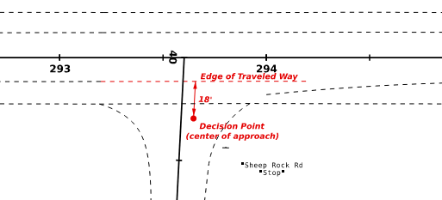

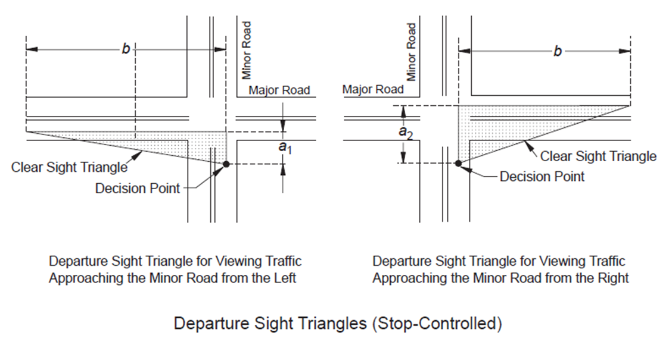

AASHTO Figure 9-17 |  |  | Notes: | 1. a1 and a2 are not used for locating the decision point
 |  |  |  | 2. b is measured along roadway
CASE B - INTERSECTIONS WITH STOP CONTROL ON THE MINOR ROAD

Case B1 - Left Turn from Stop
Note: Case B1 applies to the right sight triangle (looking right)

 | Time Gap Adjustments |  |  | Value | Reference
 | Additional Lanes: |  | Cars | 0.0 s | AASHTO 2018, Table 9-6 Notes
 |  |  | Trucks | 0.0 s
 | Median Island(s): |  | Cars | 0.0 s
 |  |  | Trucks | 0.0 s
 | Approach Grade |  |  | 0.0 s

Design Vehicle |  | Time Gap | Intersection Sight Distance1 (Length b in AASHTO Figure 9-17) |  |  | Reference
 |  |  | Calculated* |  | Design
Passenger Car |  | 7.5 s | 330.8 ft |  | 335 ft | AASHTO 2018, Section 9.5.3.2.1
Single-Unit Truck |  | 9.5 s | 419.0 ft |  | 420 ft
Combination Truck |  | 11.5 s | 507.2 ft |  | 510 ft
1 ISD = 1.47 * Design Speed * Time Gap
Obstructions/Limits/Additional Notes

Case B2 - Right Turn from Stop
Note: Case B2 applies to the left sight triangle (looking left)

 | Time Gap Adjustments |  |  | Value | Reference
 | Approach Grade: |  |  | 0.0 s | AASHTO 2018, Table 9-8 Notes

Design Vehicle |  | Time Gap | Intersection Sight Distance1 (Length b in AASHTO Figure 9-17) |  |  | Reference
 |  |  | Calculated* |  | Design
Passenger Car |  | 6.5 s | 286.7 ft |  | 290 ft | AASHTO 2018, Section 9.5.3.2.2
Single-Unit Truck |  | 8.5 s | 374.9 ft |  | 375 ft
Combination Truck |  | 10.5 s | 463.1 ft |  | 465 ft
1 ISD = 1.47 * Design Speed * Time Gap
Obstructions/Limits/Additional Notes

Case B3 - Crossing Maneuver from the Minor Road
Note: Case B3 applies to crossing Major Roads with less than six lanes.

 | Time Gap Adjustments |  |  | Value | Reference
 | Additional Lanes: |  | Cars | 0.0 s | AASHTO 2018, Table 9-10 Notes
 |  |  | Trucks | 0.0 s
 | Median Island(s): |  | Cars | 0.0 s
 |  |  | Trucks | 0.0 s
 | Approach Grade: |  |  | 0.0 s

Design Vehicle |  | Time Gap | Intersection Sight Distance1 (Length b in AASHTO Figure 9-17) |  |  | Reference
 |  |  | Calculated* |  | Design
Passenger Car |  | 6.5 s | 286.7 ft |  | 290 ft | AASHTO 2018, Section 9.5.3.2.3
Single-Unit Truck |  | 8.5 s | 374.9 ft |  | 375 ft
Combination Truck |  | 10.5 s | 463.1 ft |  | 465 ft
1 ISD = 1.47 * Design Speed * Time Gap
Obstructions/Limits/Additional Notes

Case F - Left Turn from the Major Road
Note: Case F applies to vehicles stopped on the Major Road to turn left across opposing traffic. The sight distance is looking forward from the turning vehicle.

 | Time Gap Adjustments |  |  | Value | Reference
 | Additional Lanes: |  | Cars | 0.0 s | AASHTO 2018, Table 9-16 Notes
 |  |  | Trucks | 0.0 s
 | Median Island(s): |  | Cars | 0.0 s
 |  |  | Trucks | 0.0 s

Design Vehicle |  | Time Gap | Intersection Sight Distance1 (Length b in AASHTO Figure 9-17) |  |  | Reference
 |  |  | Calculated |  | Design
Passenger Car |  | 5.5 s | 242.6 ft |  | 245 ft | AASHTO 2018, Section 9.5.3.6
Single-Unit Truck |  | 6.5 s | 286.7 ft |  | 290 ft
Combination Truck |  | 7.5 s | 330.8 ft |  | 335 ft
1 ISD = 1.47 * Design Speed * Time Gap
Obstructions/Limits/Additional Notes

